Cases
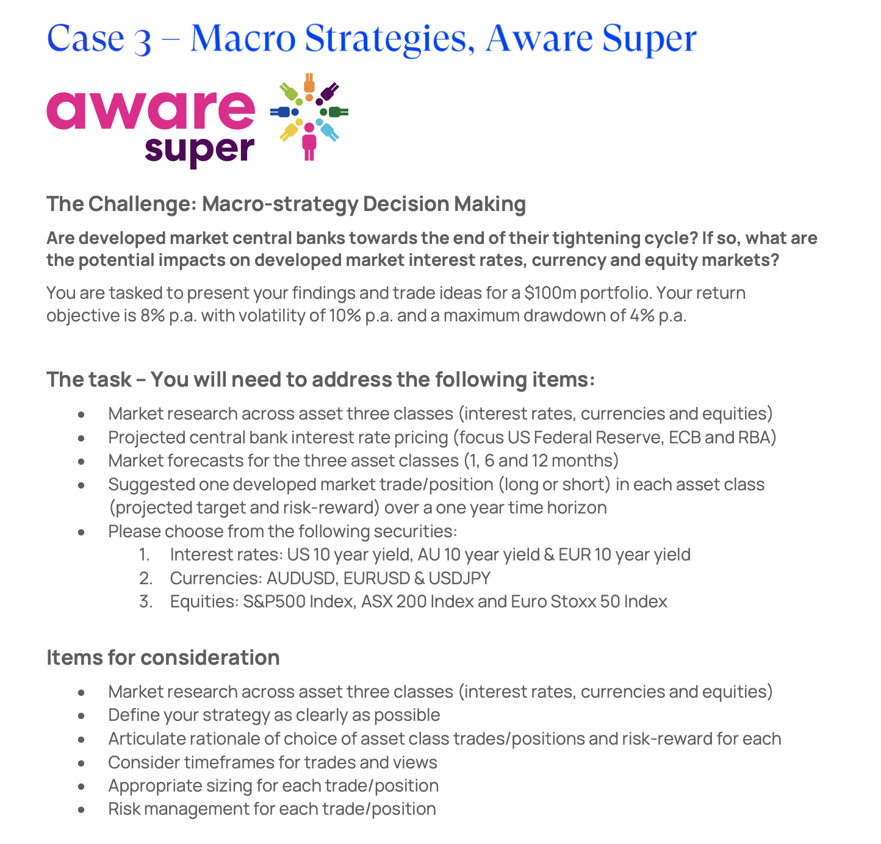
Cases # | Key Points | Comments
1 | *Tasks: Should investors overweight or underwright their emerging markets allocation in a Global Equity portfolio over the next 1-3 years? *Must include macroeconomic and geopolitical landscape *Risk/Return of emerging markets relative to Global Equities and ESG | *Asset allocation: Emerging market offers higher return due to higher risk *Is China considered as emerging markets? SEA would be considered as emerging markets *Global markets is led by the US market, which is highly inflated, driven by AI
2 | *Tasks: As members of the investment management team would you recommend that Torp invests in this space? *Include: different types of carbon credit, SWOT Analysis *Refer to case for more info | *Like a stock pitch but for carbon *What are the different types of carbon credit? *How can we structure the pitch?
3 | *Tasks: Are developed market central banks toward the end of their tightening cycle? If so, what are the potential impacts on developed market interest rartes, currency and equity markets? *Trade ideas portfolio of $100m, return of 8%, volatility 10% p.a. *Market research, project IR, suggest trade position (long or short), choose following securities (refer to case) | *More hedge fund/trading type work - PM and trader roleplay *Look into FI, FX, EI *Leverage conversations from BlackRock to form opinion
4 | *Tasks: Investment into Duolingo *Can be bottom up or top down *Also consider Hamilton Helmer's 7 Powers Framework to Assess this | *Duolingo is extremely sticky *Gamification model and subscription *Stock pitch, not global markets
5 | *Tasks: Multi-asset portfolio management (QIC) *Challenge: Portfolio research project, tasks requested by CIO *Read email for further details | *Similar to CFA research challenge

Asset Classes
Asset Class | What is the market doing (image) | Macroeconomics | Microeconomics
Equities | 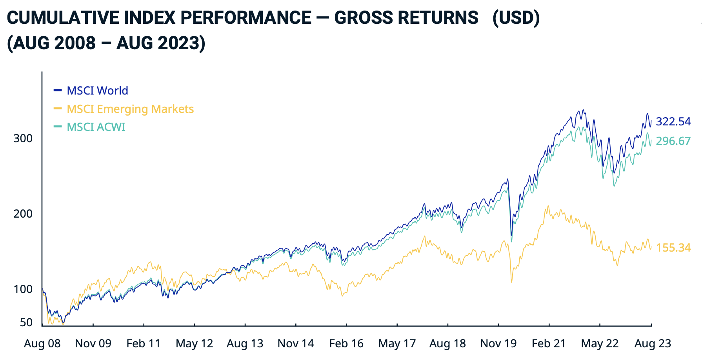 | *Equities across all groups are highly inflated *Global equities price is at the highest, followed by ACWI, then lastly emerging markets *Highly inflated means economy is hot (though does not have a direct correlation) -> CPI/PPI is high, therefore inflation -> hurting mum and dads and central bank | *The average consumer is hurting from inflation (alongside the central bank - a 1% interest rate cost the central bank approximately 1 trillian USD) *Whats driving inflation? The CPI chart breaks it down *Whats driving up the stock price? Key sectors include articial intelligence and technology and companies that are striving for net zero
Fixed Income (Bond, Interest Rates) | 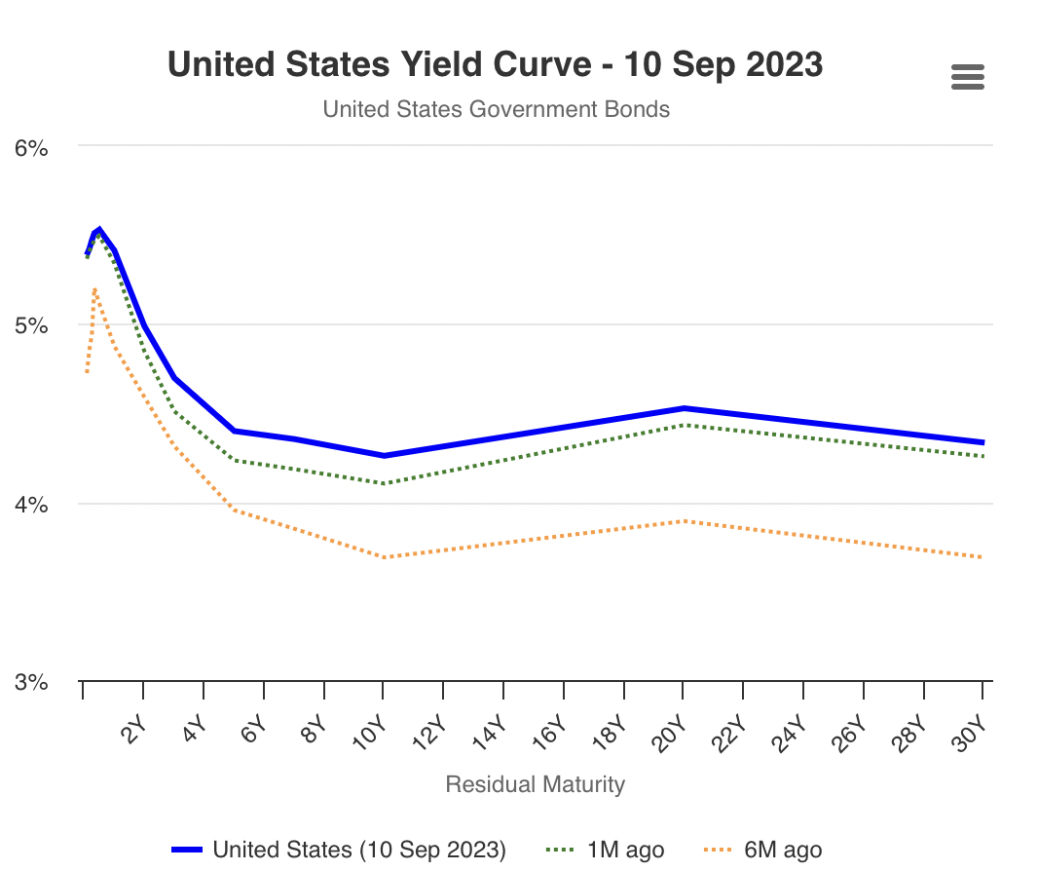 | *Inverse yield curve means the US is going into recession *Investors are content with less return with longer maturity relative to short term bonds *Conversations around 'soft landing or hard landing', the central bank 'fed' wants to increast interest rates as slowly as possible | *Mum and dad and central bank are hurting *Investors settling to less return for longer maturity *Who is buying up the fixed income instruments? Institutional like BlackRock who are dollar cost averaging until interest rates peak
Foreign Exchange | 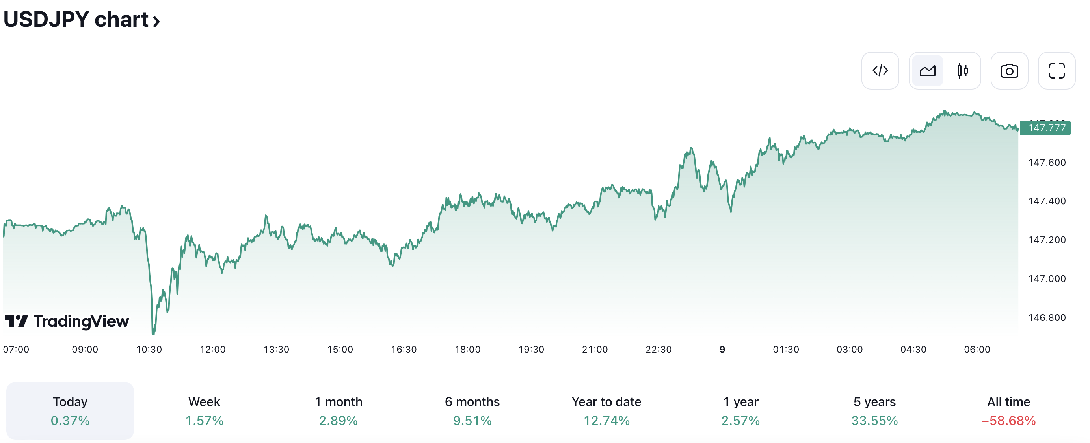 | *JPY is still in negative interest rates (might be the only couuntry left) *US economy is likely to go into a recession, so on relative terms, JPY should rise (since Japan Yield Curve isn't inverse) *Inflation is Japan relative to US is significantly lower, therefore the economy is more stable thus driving up the value of JPY *your comment | *The central bank and government of Japan is actively buying fixed income securities to maintain negative interest rates *Famous investors like Warren Buffet buying heavily into the Japan stock market - encourages retail and instituional investors to do the same (a form of bias) *Japan always appears on the headline of new papars such as the AFR, Financial Times, and Bloomberg due to its stability and how active its government is in its bond market buy backs

Analysis
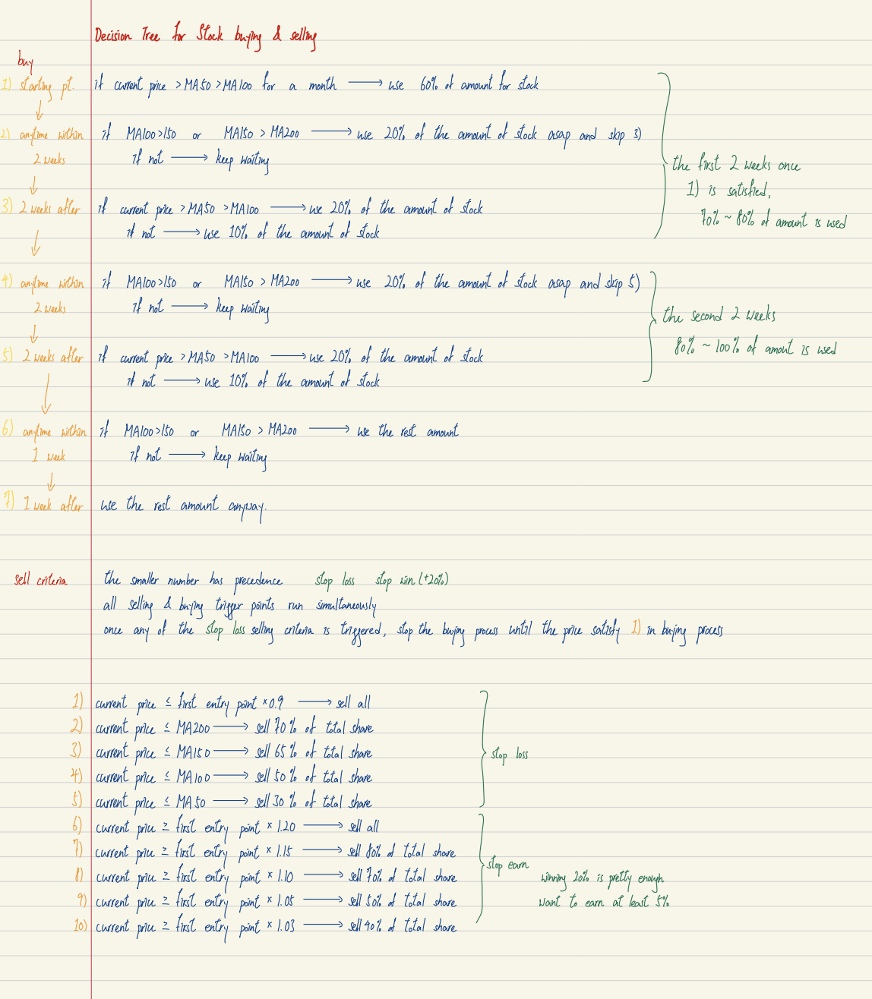
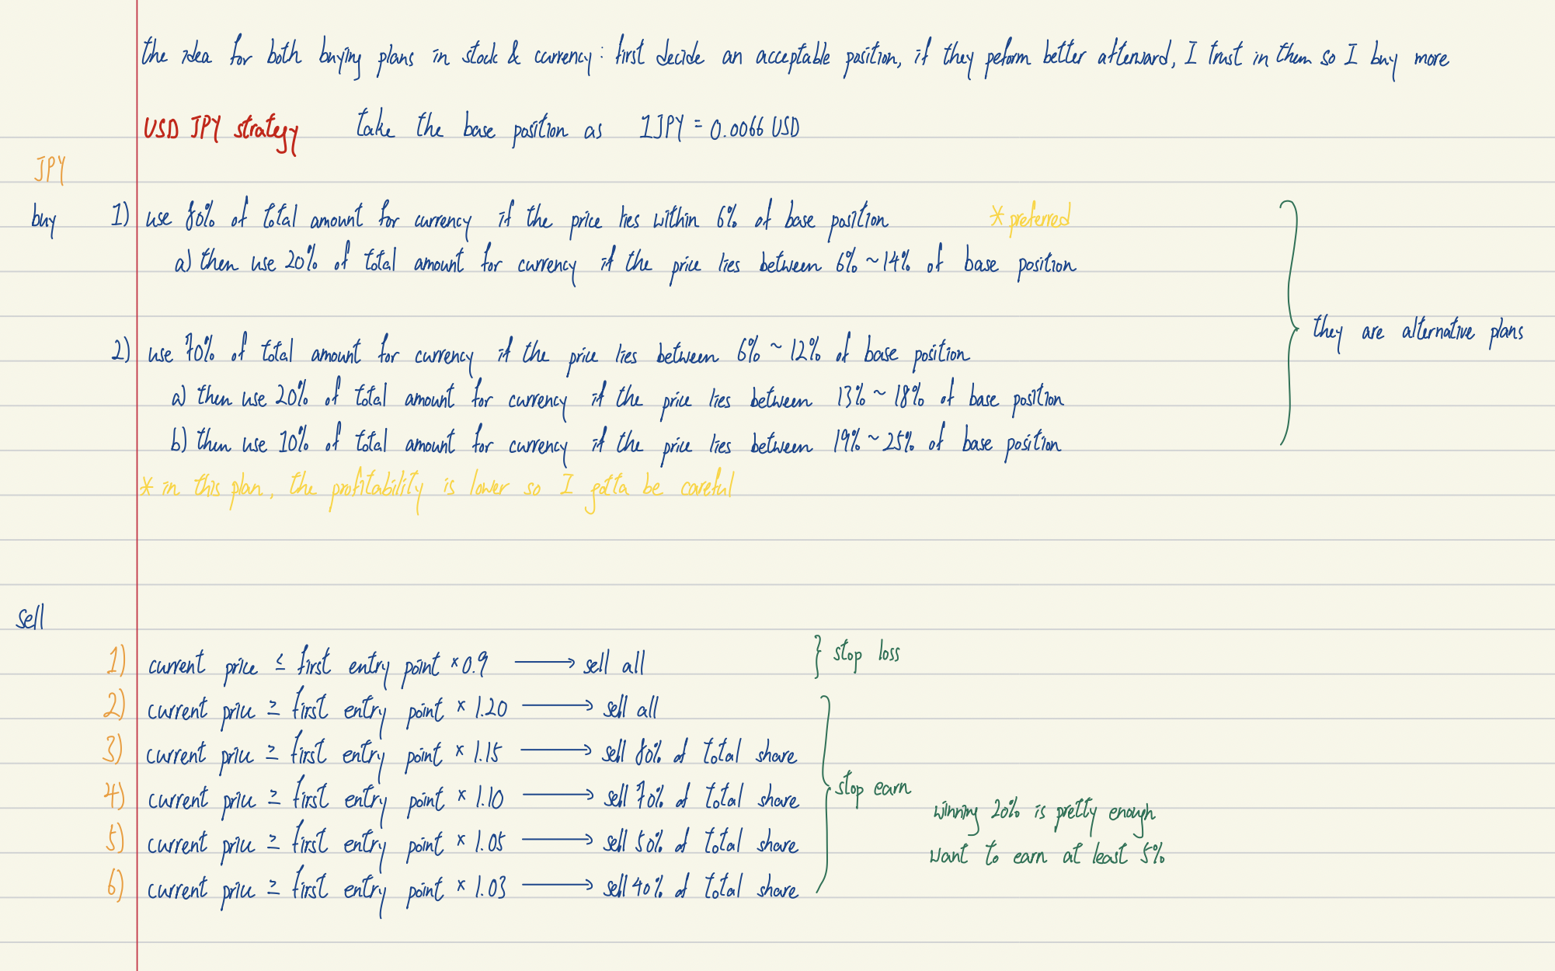
What weighting for each of the financial instruments? Equity, Cash, Foreign Exchange Interest Rate (Fixed Income) at 60%,20%,15%,5% respectively.
Asset Class | Analysis | Entry Price | Exit Price | Comments
Interest Rate (Fixed Income (FI), Bonds) | *13-year high, interest rates * US gov has more debt right now than ever before *US starts recession as indicated by the yield curve - short term treasuries yield a higher return compare to long term treasuries | Current rate until 5.55% | Until Maturity | hold as long as we can so that we can gain more interest
Foreign Exchange (FX) | *JPY is near to 30-year low *JPY is considered relatively cheaper to the USD *In other currency market, we can not yet see a positive rise in trend yet | 147JPY/USD | 122.5JPY/USD | we aim at earn 20%
Equity Index (EI) | *It is rising quite significant relative to the globe *US is suffering from the recession so S&P is dropping *ASX is alreay in the stage one of the price maturation cycle | 7100 | 8520 | we aim at earn 20%

